Sheet1
Product | Quantity | Selling price | offer prices |  | product name | description | dimesion | material
 | 2 | 1800 | 1262 | DONE
 | 2 | 1850 | 1295 | DONE
 | 3 | 1674 | 1171.8
 | 2 | 1900 | 1330
 | 3 | 1795 | 1256.5
 | 3 | 1890 | 1323
 | 3 | 1566 | 1096.2
 | 2 | 1782 | 1247.4
 | 2 | 1782 | 1247.4
 | 2 | 1782 | 1247.4
 | 2 | 1800 | 1260
 | 2 | 1900 | 1330
 | 2 | 2450 | 1715
 | 2 | 1760 | 1232
 | 2 | 1760 | 1232
 | 2 | 1760 | 1232
 | 2 | 1750 | 1225 | DONE | Knot Hoop Earrings | Elevate your everyday style with the Celeste Knot Hoop Earrings, featuring a sleek gold-tone hoop adorned with sparkling cubic zirconia accents and a graceful knot charm with a dangling bezel-set crystal. Crafted from premium stainless steel with luxurious 18K Gold PVD plating, these earrings are waterproof, hypoallergenic, and tarnish-resistant—perfect for effortless elegance from day to night. | Hoop Diameter: 1.01 cm (10.1 mm) Hoop Width: 0.20 cm (2.0 mm) Drop Length: 0.97 cm (9.7 mm) Dangling Stone Diameter: 0.37 cm (3.7 mm) Weight: Approx. 3.1 g (Pair) | Stone: High-Quality Cubic Zirconia (CZ)
 | 2 | 1750 | 1225 | DONE
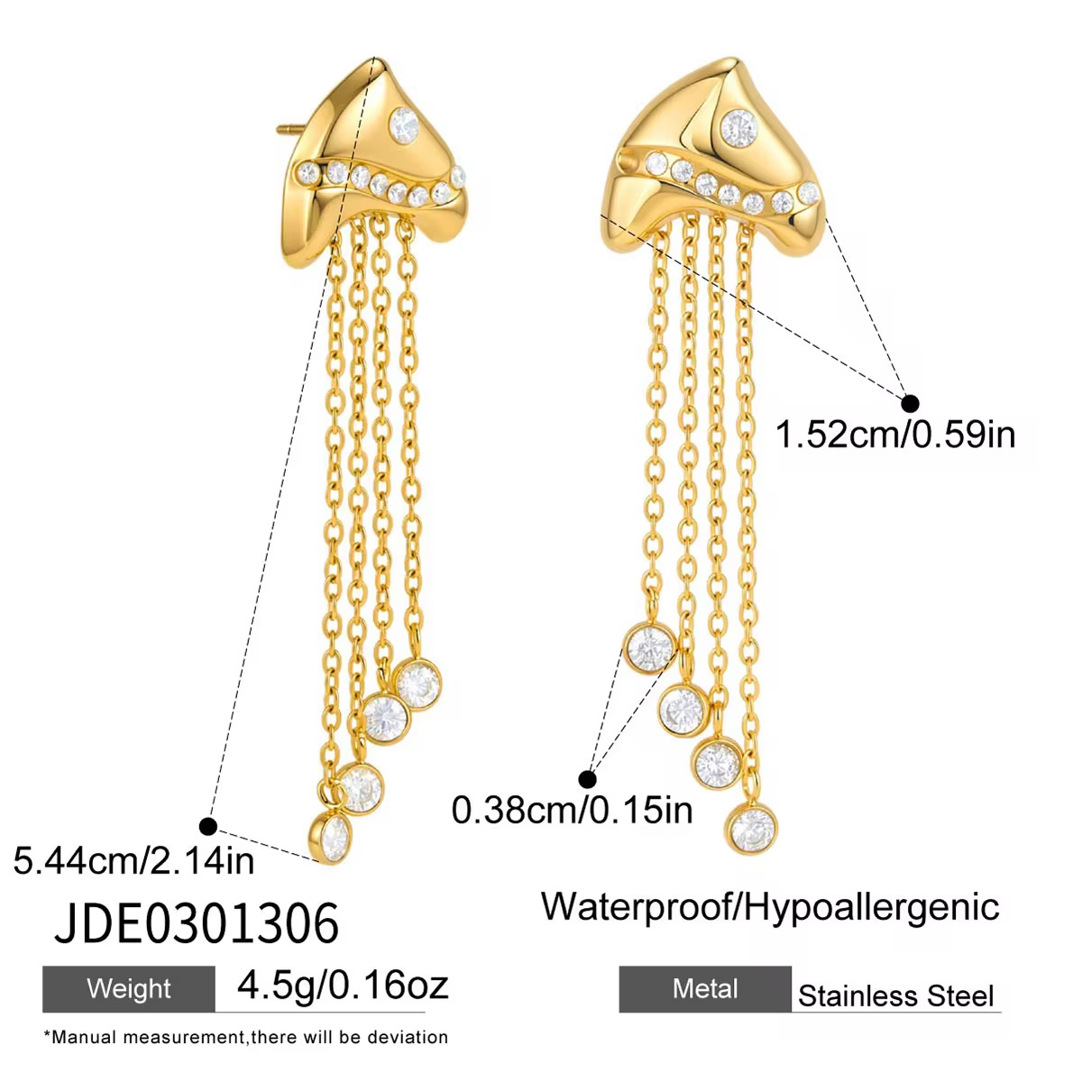 | 2 | 1890 | 1323 |  | Celeste Cascade Tassel Earrings | Make a bold statement with the Celeste Cascade Tassel Earrings. Designed with a contemporary sculptural stud accented by sparkling Cubic Zirconia and finished with elegant cascading chains, these earrings blend modern luxury with timeless sophistication. Crafted from stainless steel with an 18K Gold PVD finish, they are waterproof, tarnish-resistant, and hypoallergenic—perfect for both everyday glamour and special occasions. | Overall Length: 5.44 cm (2.14 in) Stud Width: 1.52 cm (0.59 in) Stone Diameter: 0.38 cm (0.15 in) Weight: 4.5 g (Pair) | Base Metal: Premium 316L Stainless Steel Plating: 18K Gold PVD Coating Stone: High-quality Cubic Zirconia (CZ)
 | 2 | 2000 | 1400 | DONE | Aurora Trio Drop Earrings | Add a touch of refined sparkle with the Aurora Trio Drop Earrings by Moraa by Trivani. Featuring three brilliant round-cut Cubic Zirconia stones gracefully linked in a delicate drop design, these earrings offer effortless elegance for both everyday wear and special occasions. Crafted from premium 316L stainless steel with an 18K Gold PVD finish, they are waterproof, tarnish-resistant, and hypoallergenic for lasting beauty and comfort. | Overall Length: 1.67 cm (0.65 in) Top Stone Diameter: 0.50 cm (0.19 in) Center Stone Diameter: 0.35 cm (0.14 in) Bottom Stone Diameter: 0.50 cm (0.19 in) Top Stud Width: 1.11 cm (0.43 in) Weight: 2.6 g (Pair) | Base Metal: Stainless Steel Plating: 18K Gold PVD finish Stone: High-quality Cubic Zirconia (CZ)
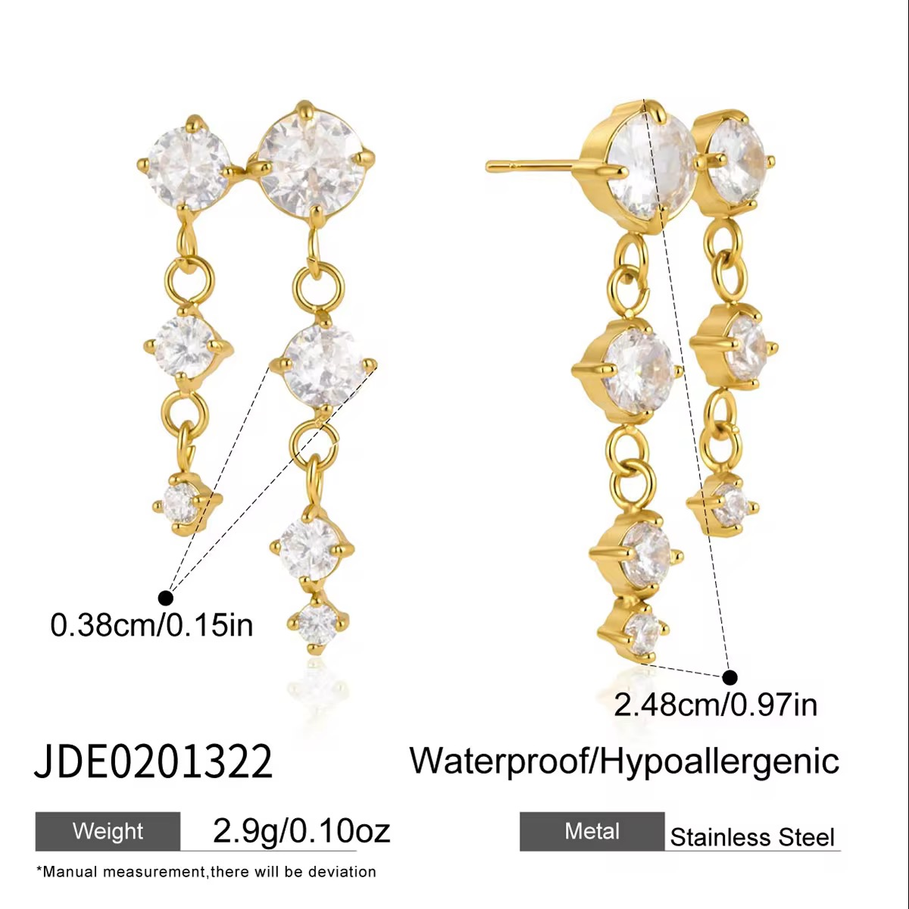 | 2 | 1880 | 1316 | DONE | Cascade Crystal Drop Earrings | Grace your look with the timeless brilliance of the Aurora Cascade Crystal Drop Earrings. Designed with a cascading arrangement of round-cut cubic zirconia stones, these elegant drop earrings create a delicate movement and exceptional sparkle. Crafted from premium stainless steel with luxurious 18K Gold PVD plating, they are waterproof, tarnish-resistant, and hypoallergenic—making them perfect for everyday elegance, festive occasions, and evening wear. | Total Length: 2.48 cm (24.8 mm) Smallest Stone Diameter: 0.38 cm (3.8 mm) Weight: Approx. 2.9 g (Pair) | Material: Stainless Steel Plating: 18K Gold PVD finish Stone: High-Quality Cubic Zirconia (CZ) Stone Shape: Round Brilliant Cut
 | 2 | 1680 | 1176 | DONE | Cascade Drop Earrings | Shine with effortless elegance in the Aurora Cascade Drop Earrings. Designed with three brilliant round-cut cubic zirconia stones in a graceful vertical drop, these earrings create a timeless silhouette that sparkles from every angle. Crafted from premium stainless steel with luxurious 18K Gold PVD plating, they are waterproof, tarnish-resistant, and hypoallergenic—perfect for both everyday sophistication and special occasions. | Total Length: 2.33 cm (23.3 mm) Largest Stone Diameter: 0.57 cm (5.7 mm) Weight: Approx. 2.2 g (Pair) | Material: Stainless Steel Plating: 18K Gold PVD finish Stone: High-Quality Cubic Zirconia (CZ) Stone Shape: Round Brilliant Cut
 | 2 | 1725 | 1207.5 | DONE | Double Chain Ear Cuff Earrings | Make a statement with the Celeste Double Chain Ear Cuff Earrings, a modern blend of elegance and edge. Designed with a sparkling floral crystal stud connected to a solitaire crystal by two delicate chains, these earrings create the stylish illusion of multiple piercings. Crafted from premium stainless steel with luxurious 18K Gold PVD plating, they are waterproof, tarnish-resistant, and hypoallergenic—perfect for everyday wear and special occasions. | Chain Length: 7.15 cm (71.5 mm) Floral Stud Size: 0.62 cm (6.2 mm) Weight: Approx. 1.8 g (Pair) | Material: Stainless Steel Plating: 18K Gold PVD finish Stone: High-Quality Cubic Zirconia (CZ) Stone Shape: Round Brilliant Cut
 | 2 | 1725 | 1207.5 | DONE | TWO-TONE MIXED CHAIN CHARM BRACELET | This stylish bracelet features a cool, two-tone look by mixing a chunky silver paperclip chain with a thin gold chain. It is decorated with fun gold charms, including a puffy heart, a star, and small hanging chains that move with you. Made from high-quality stainless steel, it is fully waterproof, hypoallergenic, and won't tarnish, making it perfect for everyday wear. | Silver Chain Length: 17.0 cm (6.96 in) Gold Chain Length: 17.5 cm + 5.0 cm extender (6.88 in + 1.96 in) Heart Charm Size: 1.37 cm (0.54 in) Net Quantity: 1 Bracelet Total Weight: 11.0 g | Base Metal: Stainless Steel Plating: 18K Gold PVD finish & Polished Silver finish
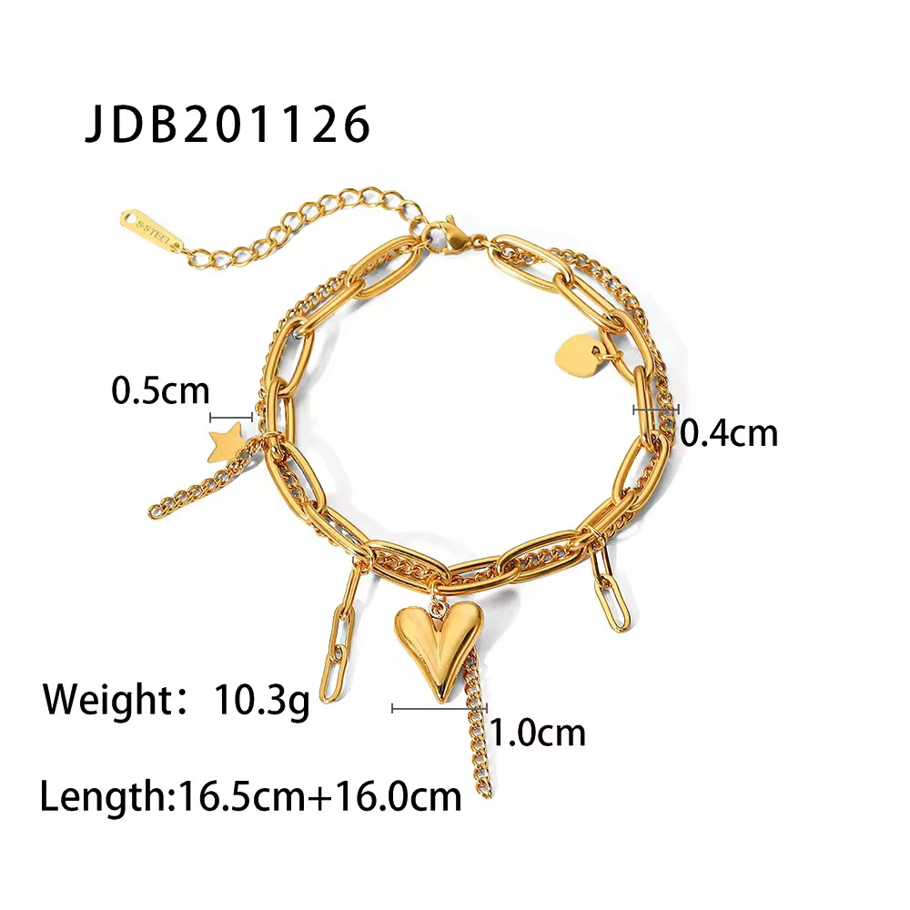 | 2 | 1587 | 1110.9 | DONE | GOLD MIXED CHAIN CHARM BRACELET | This stylish bracelet featured in 85.avif features a cool, layered look by mixing a chunky gold paperclip chain with a thin gold curb chain. It is decorated with fun gold charms, including a puffy heart, a star, and small hanging chains that move with you. Made from high-quality stainless steel, it is fully waterproof, hypoallergenic, and won't tarnish, making it perfect for everyday wear. | Bracelet Length: 16.5 cm + 16.0 cm extender Paperclip Chain Width: 0.5 cm Curb Chain Width: 0.4 cm Heart Charm Size: 1.0 cm Net Quantity: 1 Bracelet Total Weight: 10.3 g | Base Metal: Stainless Steel Plating: 18K Gold PVD finish
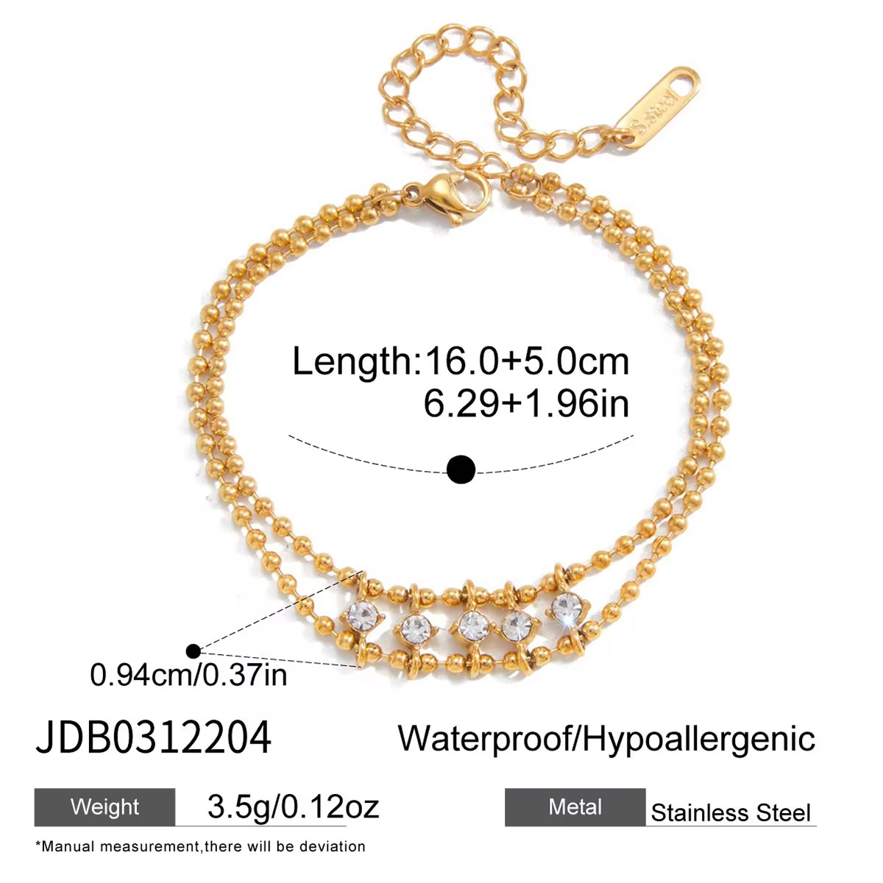 | 2 | 1880 | 1316
 | 2 | 1450 | 1015
 | 2 | 1340 | 938 | DONE | GOLD HEART BRACELET | This lovely bracelet features a dainty, romantic look with a continuous strand of tiny, polished gold heart links connected together. It comes with an adjustable extender chain for a perfect fit and is crafted to be fully waterproof, hypoallergenic, and tarnish-resistant, making it a perfect sweet accent for your everyday style. | Bracelet Length: 16.5 cm + 5.0 cm extender (6.49 in + 1.96 in) Net Quantity: 1 Bracelet Total Weight: 2.95 g | Base Metal: Stainless Steel Plating: 18K Gold PVD finish
 | 2 | 1485 | 1039.5 | DONE
 | 2 | 1980 | 1386 | DONE
 | 2 | 1960 | 1372 | DONE | Charm Chain Ring | Add a touch of elegance to your jewelry collection with the Aurora Charm Chain Ring. This contemporary open-circle ring is beautifully accented with a delicate draped chain adorned with radiant emerald-cut and pear-cut cubic zirconia charms. Crafted from premium stainless steel with luxurious 18K Gold PVD plating, this statement ring is waterproof, tarnish-resistant, and hypoallergenic—perfect for elevating both everyday and occasion wear. | Ring Diameter: 1.73 cm (17.3 mm) Overall Length (with Chain): 10.45 cm (104.5 mm) Largest Charm Size: 0.96 cm (9.6 mm) Weight: Approx. 4.7 g | Material: Stainless Steel Plating: 18K Gold PVD finish Stone: High-Quality Cubic Zirconia (CZ) Stone Shapes: Emerald Cut & Pear Cut
 | 1 | 1800 | 1260 | DONE
 | 1 | 1660 | 1162 | DONE
 | 1 | 1660 | 1162 | DONE
 | 1 | 1660 | 1162 | DONE
 | 1 | 1350 | 945 | DONE
 | 1 | 1350 | 945 | DONE
 | 1 | 3125 | 2187.5 | DONE
 | 1 | 2287 | 1600.9 | DONE
 | 2 | 1425 | 997.5
 | 2 | 1425 | 997.5
 | 2 | 1425 | 997.5
 | 2 | 2125 | 1487.5 |  | TEXTURE HOOP EARRINGS | These stylish hoop earrings a modern, chunky C-shaped design with a unique grooved ridge texture running along the center. They are decorated with a sparkling row of clear crystals along the edge to add a touch of everyday shine. Made from high-quality stainless steel, they are fully waterproof, hypoallergenic, and won't tarnish, making them perfect for comfortable all-day wear. | Earring Diameter: 2.07 cm Earring Width: 0.63 cm Net Quantity: 1 Pair of Earrings Total Weight: 4.8 g | Base Metal: Stainless Steel Plating: 18K Gold PVD finish Stone: High-quality Cubic Zirconia (CZ)
 | 2 | 2125 | 1487.5 |  | SMOOTH HOOP EARRINGS | These stylish hoop earrings a modern, chunky C-shaped design with a high-shine smooth polished finish along one side. They are decorated with a sparkling row of clear crystals along the alternating edge to add a touch of everyday shine. Made from high-quality stainless steel, they are fully waterproof, hypoallergenic, and won't tarnish, making them perfect for comfortable all-day wear. | Earring Diameter: 2.06 cm Earring Width: 0.53 cm Net Quantity: 1 Pair of Earrings Total Weight: 6.8 g | Base Metal: Stainless Steel Plating: 18K Gold PVD finish Stone: High-quality Cubic Zirconia (CZ)
 | 2 | 2125 | 1487.5 |  | EMBOSSED HOOP EARRINGS | These stylish hoop earrings a modern, chunky C-shaped design with a unique embossed pebble texture covering the gold surface. They are decorated with a sparkling row of clear crystals running down the center to add a touch of everyday shine. Made from high-quality stainless steel, they are fully waterproof, hypoallergenic, and won't tarnish, making them perfect for comfortable all-day wear. | Earring Diameter: 2.06 cm Earring Width: 0.45 cm Net Quantity: 1 Pair of Earrings Total Weight: 6g
 | 2 | 1860 | 1302 |  | SQUARE HOOP EARRINGS | These stylish hoop earrings a modern, chunky square-shaped design with a unique ribbed croissant texture. They are decorated with dazzling rows of clear pavé crystals on alternating sides to add a touch of everyday shine. Made from high-quality stainless steel, they are fully waterproof, hypoallergenic, and won't tarnish, making them perfect for comfortable all-day wear. | Earring Diameter: 2.34 cm Earring Width: 0.52 cm Net Quantity: 1 Pair of Earrings Total Weight: 12.4g
 | 2 | 2125 | 1487.5 |  | TRIPLE BAND HOOP EARRINGS | These stylish hoop earrings a modern, multi-strand C-shaped design that creates a layered, triple-hoop look. They feature two smooth, high-shine gold bands paired with a central band decorated with a sparkling row of clear crystals. Made from high-quality stainless steel, they are fully waterproof, hypoallergenic, and won't tarnish, making them perfect for comfortable all-day wear. | Jewelry Type: Earrings Earring Width: 1.4 cm Net Quantity: 1 Pair of Earrings Total Weight: 8.8g
 | 2 | 2125 | 1487.5 |  | RIBBED HOOP EARRINGS | These stylish hoop earrings a modern, chunky C-shaped design with a unique ribbed texture running along the sides. They are decorated with a striking row of channel-set square princess-cut clear crystals down the center to add a touch of everyday shine. Made from high-quality stainless steel, they are fully waterproof, hypoallergenic, and won't tarnish, making them perfect for comfortable all-day wear. | Earring Diameter: 1.94 cm Earring Width: 0.48 cm Net Quantity: 1 Pair of Earrings Total Weight: 6.2g
 | 2 | 2125 | 1487.5 |  | TWO LAYER HOOP EARRINGS | These stylish hoop earrings a modern, split-band C-shaped design that creates a layered, double-hoop look. They feature one textured band made of a row of gold beads paired with a second band decorated with a sparkling row of clear crystals. Made from high-quality stainless steel, they are fully waterproof, hypoallergenic, and won't tarnish, making them perfect for comfortable all-day wear. | otal Earring Width: 0.9 cm Crystal Band Width: 0.3 cm Beaded Band Width: 0.28 cm Net Quantity: 1 Pair of Earrings Total Weight: 5.8g
 | 2 | 1975 | 1382.5 |  | RECTANGLE CZ HOOP EARRINGS | These stylish hoop earrings a modern, open rectangle design with smooth, rounded edges. They are decorated with a sparkling row of clear crystals running down the front edge to add a touch of everyday shine. Made from high-quality stainless steel, they are fully waterproof, hypoallergenic, and won't tarnish, making them perfect for comfortable all-day wear. | Earring Length: 2.06 cm Earring Width: 1.28 cm Band Thickness: 0.32 cm Net Quantity: 1 Pair of Earrings Total Weight: 5.2g
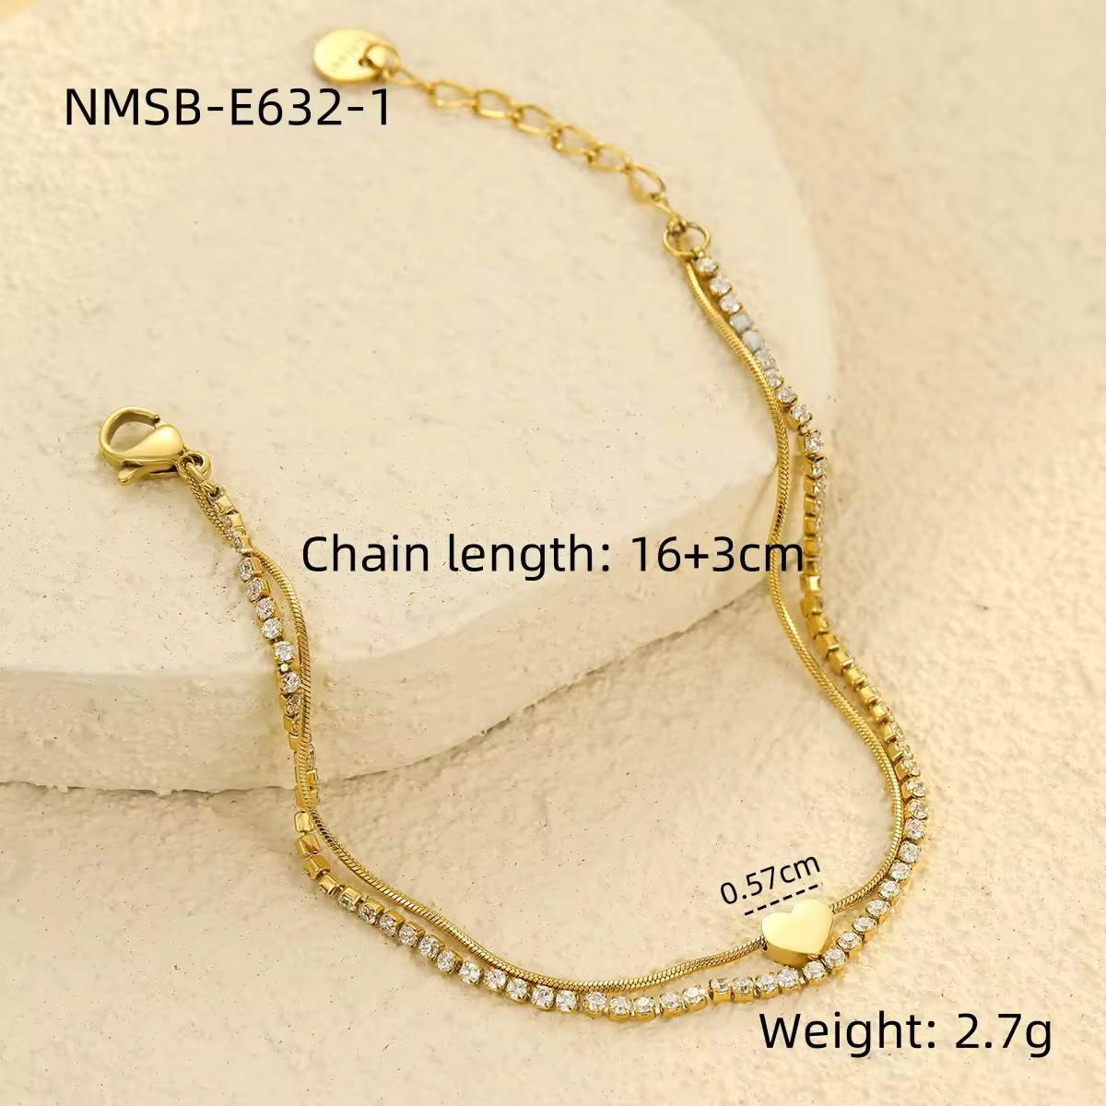 | 2 | 1950 | 1365 | DONE | Heart Tennis Bracelet | Celebrate timeless elegance with the Amora Heart Tennis Bracelet. Designed with a delicate dual-chain silhouette featuring a sparkling row of cubic zirconia and a sleek herringbone chain, this bracelet is beautifully finished with a polished heart charm at the center. Crafted from premium stainless steel with luxurious 18K Gold PVD plating, it is waterproof, tarnish-resistant, and hypoallergenic—making it perfect for everyday wear and special occasions. | Bracelet Length: 16 cm + 3 cm Adjustable Extension Heart Charm Size: 0.57 cm (5.7 mm) Weight: Approx. 2.7 g | Material: Premium Stainless Steel Plating: 18K Gold PVD Coating Stone: High-Quality Cubic Zirconia (CZ) Chain Type: Herringbone Chain + Tennis Chain Charm: Polished Heart Charm
 | 2 | 1875 | 1312.5 | DONE | Heart Tennis Bracelet | Express your love for timeless elegance with the Eterna Heart Tennis Bracelet. Featuring a dazzling row of round-cut cubic zirconia stones and a sparkling open-heart centerpiece, this bracelet blends classic sophistication with modern charm. Crafted from premium stainless steel and finished with luxurious 18K Gold PVD plating, it is waterproof, tarnish-resistant, and hypoallergenic—perfect for everyday wear, special occasions, or gifting. | Bracelet Length: 16 cm + 4.5 cm Adjustable Extension Heart Charm Size: 1.11 cm × 0.96 cm Weight: Approx. 3.0 g | Material: Premium Stainless Steel Plating: 18K Gold PVD Coating Stone: High-Quality Cubic Zirconia (CZ) Stone Shape: Round Brilliant Cut
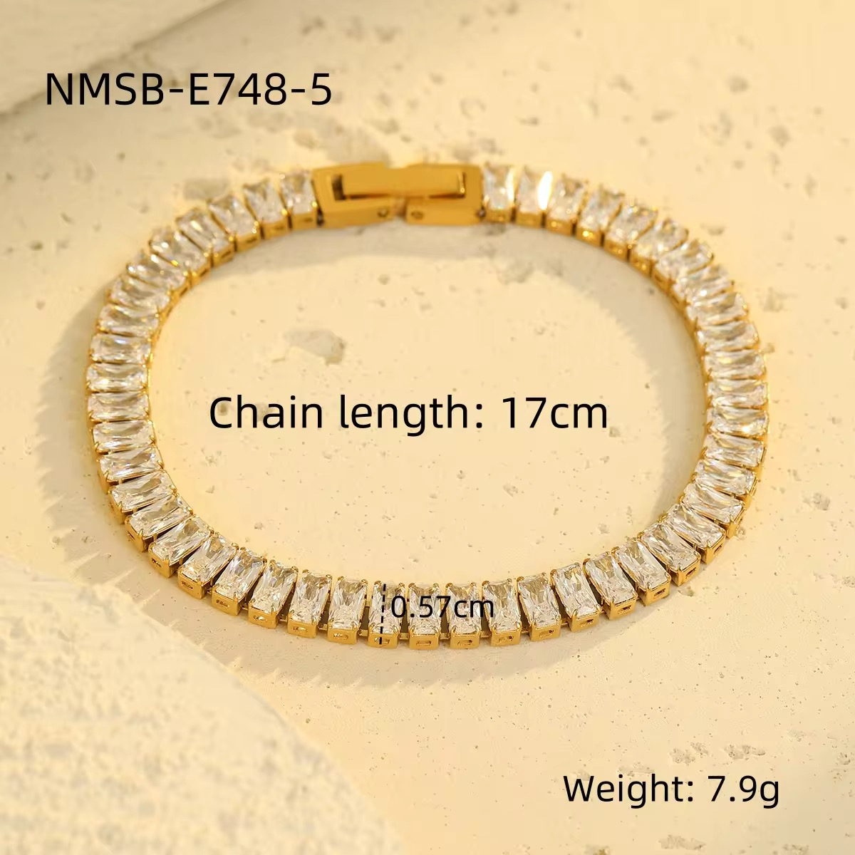 | 2 | 2175 | 1522.5 | DONE | Baguette Tennis Bracelet | Elevate your jewelry collection with the Regal Baguette Tennis Bracelet, a luxurious statement piece featuring a continuous row of dazzling baguette-cut cubic zirconia stones. Designed to reflect brilliance from every angle, this elegant bracelet combines timeless sophistication with modern craftsmanship. Made from premium stainless steel with a durable 18K Gold PVD finish, it is waterproof, tarnish-resistant, and hypoallergenic—perfect for both everyday luxury and special occasions. | Bracelet Length: 17 cm Bracelet Width: 0.57 cm (5.7 mm) Weight: Approx. 7.9 g | Material: Premium Stainless Steel Plating: 18K Gold PVD Coating Stone: High-Quality Cubic Zirconia (CZ) Stone Shape: Baguette Cut
 | 2 | 1850 | 1295 | DONE | Luna Beaded Tennis Bracelet | Elevate your everyday elegance with the Luna Beaded Tennis Bracelet. Featuring a brilliant row of round-cut cubic zirconia framed by polished gold beads, this bracelet offers a perfect balance of sparkle and sophistication. Crafted from premium stainless steel with luxurious 18K Gold PVD plating, it is waterproof, tarnish-resistant, and hypoallergenic—designed to complement every outfit from casual chic to evening glamour. | Bracelet Length: 16 cm + 4 cm Adjustable Extension Weight: Approx. 5.4 g | Material: Premium Stainless Steel Plating: 18K Gold PVD Coating Stone: High-Quality Cubic Zirconia (CZ) Stone Shape: Round Brilliant Cut
 | 2 | 1800 | 1260 | DONE | Amour Heart Tennis Bracelet | Celebrate elegance with the Amour Heart Tennis Bracelet, a timeless piece designed with a sparkling row of brilliant round-cut cubic zirconia stones and a delicate heart-shaped centerpiece. Crafted from premium stainless steel with luxurious 18K Gold PVD plating, this bracelet is waterproof, tarnish-resistant, and hypoallergenic. Its adjustable fit and classic silhouette make it perfect for everyday wear, romantic occasions, or thoughtful gifting. | Bracelet Length: 17 cm + 4 cm Adjustable Extension Bracelet Width: 2.5 mm Heart Charm Size: 0.6 cm (6 mm) Weight: Approx. 3.5 g | Material: Premium Stainless Steel Plating: 18K Gold PVD Coating Stone: High-Quality Cubic Zirconia (CZ) Stone Shape: Round Brilliant Cut
 | 2 | 1950 | 1365 | DONE | Imperial Crystal Luxe Bracelet | Add timeless elegance to your everyday style with the Imperial Crystal Luxe Bracelet . Featuring five rows of brilliant premium cubic zirconia stones set in luxurious 18K Gold PVD plated stainless steel, this bracelet delivers exceptional sparkle with a sophisticated finish. Designed to be waterproof, tarnish-resistant, and hypoallergenic, it's perfect for daily wear as well as special occasions. | Bracelet Length: 17 cm + 5 cm extension Bracelet Width: 0.6 cm (6 mm) Weight: 6.0 g | Base Metal: Stainless Steel Plating: 18K Gold PVD finish Stone: High-quality Cubic Zirconia (CZ)
 | 3 | 1144 | 800.8 | DONE | Princess Cut Stud Earrings | Add timeless elegance to your everyday style with the Celeste Princess Cut Stud Earrings. Featuring a brilliant princess-cut cubic zirconia stone set in a classic four-prong setting, these minimalist studs offer exceptional sparkle with a sophisticated finish. Crafted from premium stainless steel with luxurious 18K Gold PVD plating, they are waterproof, tarnish-resistant, and hypoallergenic—perfect for daily wear or special occasions. | Stone: High-Quality Cubic Zirconia (CZ) Stone Shape: Princess Cut (Square) Stone Size: 6 mm × 6 mm (0.6 cm) Weight: Approx. 1.0 g (Pair) | Material: Stainless Steel Plating: 18K Gold PVD Finish
 | 3 | 1210 | 847 | DONE
 | 3 | 1250 | 875 | DONE
 | 2 | 1600 | 1120
 | 2 | 1770 | 1239
 | 2 | 1800 | 1260
 | 2 | 1720 | 1204
 | 2 | 1350 | 945
 | 2 | 1650 | 1155
 | 2 | 1670 | 1169
 | 2 | 1700 | 1190
 | 2 | 1500 | 1050
 | 1 | 1110 | 777
 | 1 | 1110 | 777
 | 1 | 1110 | 777
 | 1 | 1110 | 777
 | 1 | 1110 | 777
 | 1 | 1110 | 777
 | 1 | 1110 | 777
 | 1 | 1110 | 777
 | 1 | 1110 | 777
 | 1 | 1110 | 777
 | 2 | 1110 | 777
 | 2 | 1110 | 777
 | 2 | 1630 | 1141
 | 2 | 1700 | 1190
 | 2 | 1480 | 1036
 | 2 | 1460 | 1022
 | 1 | 1700 | 1190
 | 1 | 1700 | 1190
 | 1 | 1700 | 1190
 | 1 | 1920 | 1344
 | 1 | 1700 | 1190
 | 1 | 1630 | 1141
 | 1 | 1870 | 1309
 | 2 | 1240 | 868
 | 2 | 1240 | 868
 | 2 | 1240 | 868
 | 2 | 1240 | 868
 | 2 | 1240 | 868
 | 2 | 1670 | 1169
 | 2 | 1670 | 1169
 | 2 | 1670 | 1169
 | 2 | 1430 | 1001 |  | ROSE STUD | These stylish stud earrings 3D floral design sculpted into a beautiful blooming rose. They are designed with detailed overlapping petals and a polished center to add a touch of elegant, vintage-inspired shine. Made from high-quality stainless steel, they are fully waterproof, hypoallergenic, and won't tarnish, making them perfect for comfortable all-day wear. | Earring Size: 1.01 cm Net Quantity: 1 Pair of Earrings Total Weight: 4.3g | Base Metal: Stainless Steel Plating: 18K Gold PVD finish
This order by somany

